Tracking Requirements
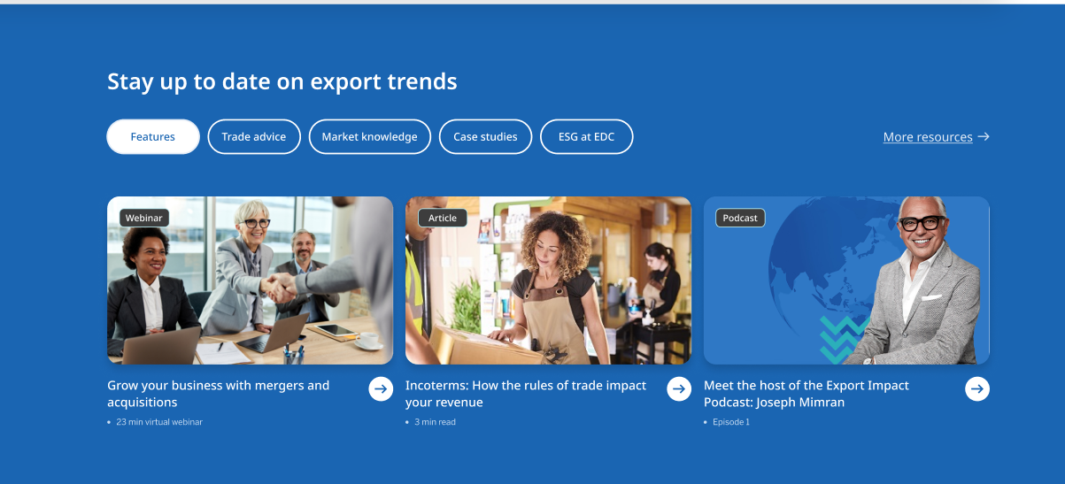
# | Requirements
1 | Track clicks on CTA (Pill button, card selected, format type)
2 | Track clicks on CTA (More Resources Link)
2
1

Data Layer Requirements - 1
# | Custom Event | Definition | Data Layer Element | Example Value | Definition | Value 1 | Value 2 | Value 3 | Value 4 | Value 5 | Value 6 | Value 7 | Value 8
1 | 'event': 'cta' | a. When a user clicks on any one of the pill button of the Export Trends b. When user selects one of the card under that Pill button | 'eventInfo.eventName': '<eventInfo.eventName>' | "button click - Features" "Features - card click - Grow your business with mergers and acquisition - webinar " | a. Event action with text of the pill (button click - <pill text>). Text to be retreived automatically b. Text of the pill with event action and title of the card selected <pill Text> - card click - <title> - <format type>. Text, title, format type to be retreived automatically
 |  |  | 'eventInfo.eventAction': '<eventInfo.eventAction>' | "button" "card" | a. Action taken by the user (pill button) b. Action taken by the user (card selected)
 |  |  | 'eventInfo.eventType': '<eventInfo.eventType>' | "click" | Type of event - hardcoded
 |  |  | 'eventInfo.eventComponent': '<eventInfo.eventComponent>' | "Export Trends" | Retreive name of AEM component
 |  |  | 'eventInfo.eventText': '<eventInfo.eventText>' | "Features" "Features - Grow your business with mergers and acquisition - webinar" | a. Retreive text of the pill b. Retreive text of the pill and title of the card selected and format type <pill text> - <card title> - <format type>

 | Code Snippet - Values to be filled accordingly
<script>
window.eventData = window.eventData || [];
window.eventData.push({
'event': 'cta',
'eventInfo': {
'eventName': '',
'eventAction': '',
'eventType': '',
'eventComponent': '',
'eventText': ''
}
});
</script>

Data Layer Requirements - 2
# | Custom Event | Definition | Data Layer Element | Example Value | Definition | Value 1 | Value 2 | Value 3 | Value 4 | Value 5 | Value 6 | Value 7 | Value 8
1 | 'event': 'cta' | When a user clicks on any one of the pill button of the Export Trends and clicks on more resources | 'eventInfo.eventName': '<eventInfo.eventName>' | "link click - Features" | Event action with text of the pill (link click - <pill text>). Text to be retreived automatically
 |  |  | 'eventInfo.eventAction': '<eventInfo.eventAction>' | "link" | Action taken by the user
 |  |  | 'eventInfo.eventType': '<eventInfo.eventType>' | "click" | Type of event - hardcoded
 |  |  | 'eventInfo.eventComponent': '<eventInfo.eventComponent>' | "Export Trends" | Retreive name of AEM component
 |  |  | 'eventInfo.eventText': '<eventInfo.eventText>' | "more resources" | a. Retreive text of the link

 | Code Snippet - Values to be filled accordingly
<script>
window.eventData = window.eventData || [];
window.eventData.push({
'event': 'cta',
'eventInfo': {
'eventName': '',
'eventAction': '',
'eventType': '',
'eventComponent': '',
'eventText': ''
}
});
</script>

